Intro
Smart
Co

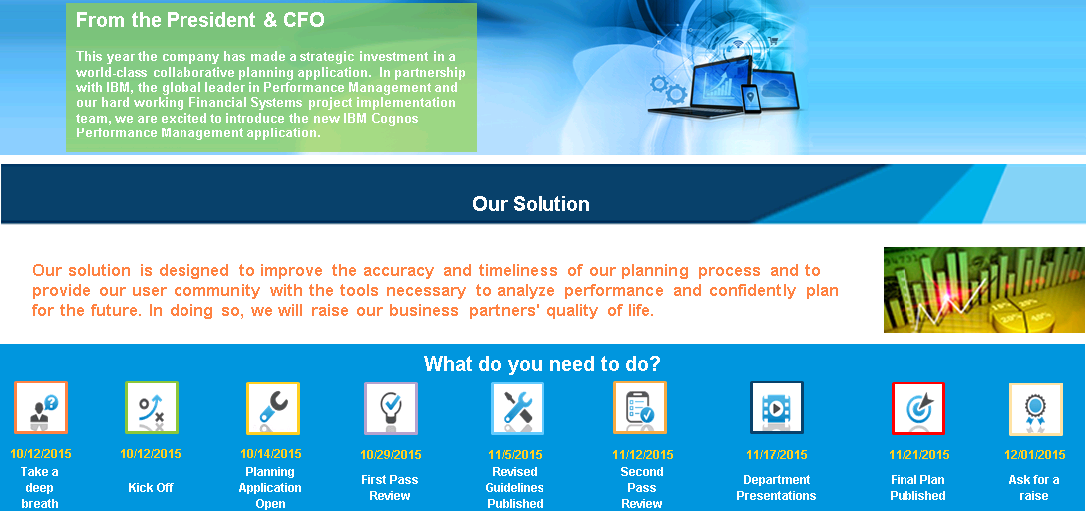

Our Solution

Tasks
Budget Application Instructions
FY2015 Budget Application Instructions

Task | Launch | Status | Due Date | Commentary
All Tasks |  | In Progress
Revenue |  | In Progress
Enter New Products |  | Complete | 2013-08-08 | Price increase in 4G product line to boost Margin
Plan Units Sold |  | Not Started | 2013-08-08
Headcount |  | Complete
Amend Existing / Add new Headcount |  | Complete | 2013-12-15
Review Total Compensation Spend |  | Complete | 2013-12-15
Capital |  | Not Started
Add New Capital Requests |  | Not Started | 2013-12-15
Review IS and BS Impact |  | Not Started | 2013-12-15
OPEX |  | Complete
Plan Marketing expense |  | Complete | 2013-12-15
Plan Phased costs |  | Complete | 2013-12-15
Income Statement |  | In Progress
Review Allocations |  | Complete | 2013-12-15
Update Forecast |  | Not Started | 2013-12-15
Review Exchange Differences |  | Not Started | 2013-12-15
Review Final P&L |  | Complete | 2013-12-15

Status
Plan Progress

Task Status |  | Metrics Status
7 | 5 |  | Target 2015 | Budget 2015 | Variance
 |  | Gross Margin | 1,737,620 | 1,929,763 | 192,143
Tasks Completed | Tasks Remaining | 6099 PAYROLL | 1,097,896 | 669,755 | 428,141
 |  | 6499 MARKETING | 145,183 | 137,985 | 7,198
 |  | 6599 DEPRECIATION | 84,068 | 85,000 | (932)
 |  | Net Profit | (17,093) | 604,800 | 621,893

 |  | # Incomplete Metrics | 1

Tasks Completed | 7
Tasks Remaining | 5

